type 10
 | aluminium entrance matting system: type 10
product number | side photo | top photo | diagram | symbol | description | weight | comments | factory price 2022 from 1.02.2022

UA1001 | 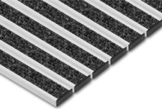 | 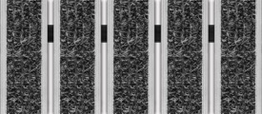 |  | Unimat 10 TL | doormat with textile insert, only for interior use | 8.5 | low textile - PP | € 104.55 | € 230.01
UA1002 |  | 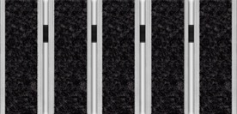 |  | Unimat 10 ST | doormat with scraper textile insert, only for interior use | 8.5 | scraper textile - PA | € 128.20 | € 282.04
UA1003 | 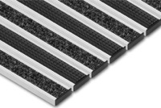 | 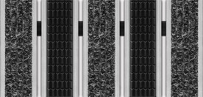 |  | Unimat V 10 RLTL | doormat with low textile and low rubber insert, for interior and exterior use | 10 | low textile - PP low rubber - vinyl | € 111.63 | € 245.58
UA1004 |  | 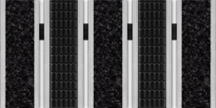 |  | Unimat V 10 RLST | doormat with scraper textile and low rubber insert, for interior and exterior use | 10 | szczraper textile - PP flat low rubber - vinyl | € 111.63 | € 245.58
UA1005 |  | 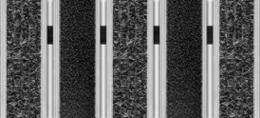 |  | Unimat V 10 BLTL | doormat with low textile and low brush insert, for interior and exterior use | 9.25 | low brush - PA low textile - PP | € 128.69 | € 283.11
UA1006 |  | 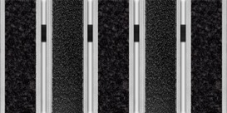 |  | Unimat V 10 BLST | doormat with scraper textile andlow brush insert, for interior and exterior use | 9.25 | low brush - PA scraper textile - PA | € 140.51 | € 309.12
UA1007 | 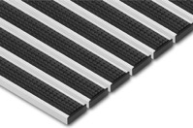 | 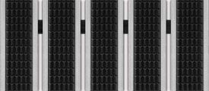 |  | Unimat 10 RL | doormat with low rubber insert, for interior and exterior use | 11.5 | low rubber - vinyl | € 118.70 | € 261.14
UA1008 |  | 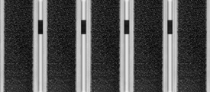 |  | Unimat 10 BL | doormat with low brush insert, for interior and exterior use | 10 | low brush - PA | € 152.82 | € 336.20
UA1009 |  | 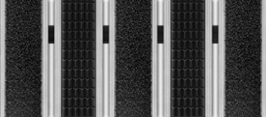 |  | Unimat V 10 RLBL | doormat with low rubber and low brush insert, for interior and exterior use | 10.75 | lowt brush - PA low rubber - vinyl | € 135.76 | € 298.67
UA1010 | 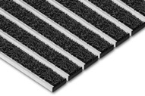 | 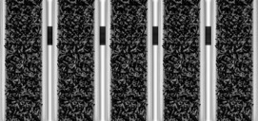 |  | Unimat 10 S | doormat scraper material, poliprophylene, for interior and exterior use | 10 | scraper - PP | € 131.01 | € 288.22
UA1011 |  | 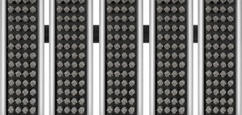 |  | Unimat 10 B4 | doormat with 4-rows brush insert, for interior and exterior use | 12 | standard brush - PA | € 171.29 | € 376.84

type 12 Nitro
 | aluminium entrance matting system: type 12 Nitro
product number | side photo | top photo | diagram | symbol | description | weight | comments | factory price 2022 from 1.02.2022

UAN1201 | 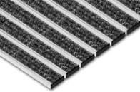 | 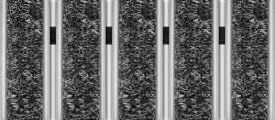 |  | Unimat 12 T/N Nitro | doormat with textile insert, only for interior use | 7.8 | standard textile - PP | € 229.28
UAN1202 |  | 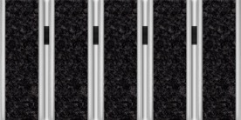 |  | Unimat 12 ST/N Nitro | doormat with scraper textile insert, only for interior use | 7.8 | scraper textile - PA | € 309.12
UAN1203 | 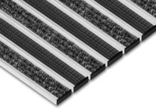 | 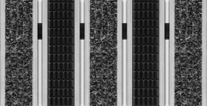 |  | Unimat V 12 RT/N Nitro | doormat with textile insert, only for interior use | 9.75 | standard textile - PP standard rubber - vinyl | € 242.12
UAN1204 |  | 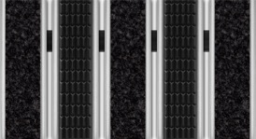 |  | Unimat V 12 RST/N Nitro | doormat with scraper textile and rubber insert, for interior and exterior use | 9.75 | szczraper textile - PP standard rubber - vinyl | € 282.04
UAN1205 | 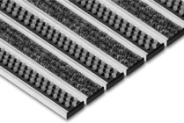 | 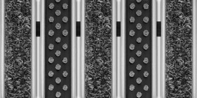 |  | Unimat V 12 BT/N Nitro | doormat with textile insert, only for interior use | 9.25 | standard brush - PA standarrd textile - PP | € 288.21
UAN1206 |  | 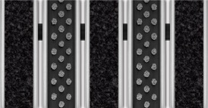 |  | Unimat V 12 BST/N Nitro | doormat with scraper textile and brush insert, for interior and exterior use | 9.25 | standard brush - PA scraper textile - PA | € 328.13
UAN1207 |  | 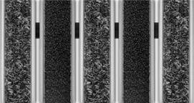 |  | Unimat V 12 BLT/N Nitro | doormat with textile insert, only for interior use | 8.65 | low brush - PA standarrd textile - PP | € 282.74
UAN1208 |  | 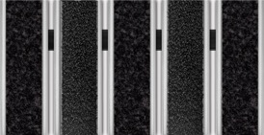 |  | Unimat V 12 BLST/N Nitro | doormat with scraper textile and low brush insert, for interior and exterior use | 8.65 | low brush - PA scraper textile - PA | € 322.66
UAN1209 | 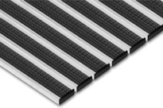 | 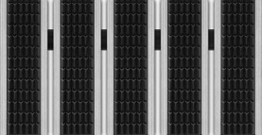 |  | Unimat 12 R/N Nitro | doormat with rubber insert, for interior and exterior use | 11.7 | standard rubber - vinyl | € 254.96
UAN1210 | 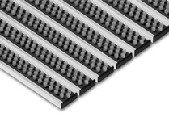 | 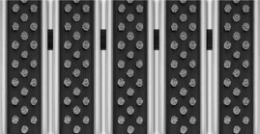 |  | Unimat 12 B/N Nitro | doormat with flat brush insert, for interior and exterior use | 10.7 | standard brush - PA | € 347.14
UAN1211 |  | 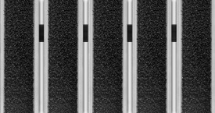 |  | Unimat 12 BL/N Nitro | doormat with flat brush insert, for interior and exterior use | 9.5 | low brush - PA | € 336.20
UAN1212 | 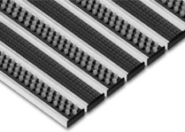 | 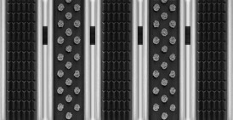 |  | Unimat V 12 RB/N Nitro | doormat with rubber and brush insert, for interior and exterior use | 11.2 | standard brush - PA standard rubber - vinyl | € 301.05
UAN1213 |  | 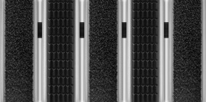 |  | Unimat V 12 RBL/N Nitro | wycieraczka aluminiowa z wkładem gumowym czyszczącym oraz szczotkowym - do użytku wewnątrz budynków i na zewnątrz budynków | 10.6 | niska szczotka - PA standardowa guma | € 295.58
UAN1214 |  | 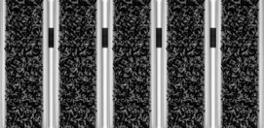 |  | Unimat 12 S/N Nitro | doormat scraper material, poliprophylene, for interior and exterior use | 9.5 | scraper material - PP | € 288.22
UAN1215 |  | 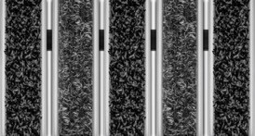 |  | Unimat V 12 TS/N Nitro | doormat scraper material poliprophylene, and textile for interior and exterior use | 8.65 | scraper material - PP textile - PP | € 258.75
UAN1216 |  | 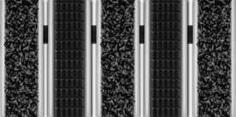 |  | Unimat 12 RS/N Nitro | doormat scraper material poliprophylene, and rubber for interior and exterior use | 10.6 | scraper material - PP standard rubber - vinyl | € 271.59
UAN1217 |  |  |  | Unimat 12 B4/N Nitro | doormat with flat brush insert, for interior and exterior use | 10.7 | standard brush - PA | € 371.84
UAN1218 |  | 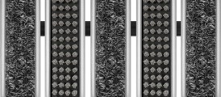 |  | Unimat V 12 TB4/N Nitro | doormat with textile insert, only for interior use | 9.25 | standard brush - PA standarrd textile - PP | € 300.56
UAN1219 |  | 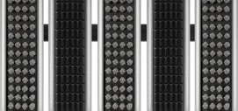 |  | Unimat V 12 RB4/N Nitro | doormat with rubber and brush insert, for interior and exterior use | 10.65 | standard brush - PA standard rubber - vinyl | € 313.40

type 12
 | aluminium entrance matting system: type 12
product number | side photo | top photo | diagram | symbol | description | weight | comments | factory price 2022 from 1.02.2022

UA1201 |  |  |  | Unimat 12 T | doormat with textile insert, only for interior use | 9.3 | standard textile - PP | € 242.35
UA1202 |  |  |  | Unimat 12 ST | doormat with scraper textile insert, only for interior use | 9.3 | scraper textile - PA | € 322.43
UA1203 |  | 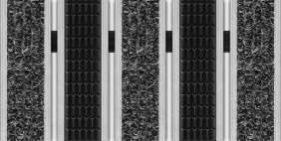 |  | Unimat V 12 RT | doormat with textile insert, only for interior use | 11.2 | standard textile - PP standard rubber - vinyl | € 255.19
UA1204 |  |  |  | Unimat V 12 RST | doormat with scraper textile and rubber insert, for interior and exterior use | 11.2 | szczraper textile - PP standard rubber - vinyl | € 295.23
UA1205 |  | 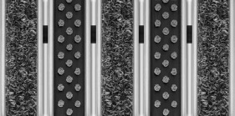 |  | Unimat V 12 BT | doormat with textile insert, only for interior use | 10.7 | standard brush - PA standarrd textile - PP | € 301.40
UA1206 |  |  |  | Unimat V 12 BST | doormat with scraper textile and brush insert, for interior and exterior use | 10.7 | standard brush - PA scraper textile - PA | € 341.44
UA1207 |  | 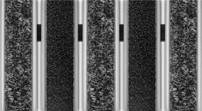 |  | Unimat V 12 BLT | doormat with textile insert, only for interior use | 10.15 | low brush - PA standarrd textile - PP | € 295.81
UA1208 |  | 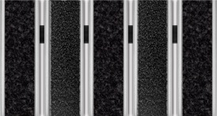 |  | Unimat V 12 BLST | doormat with scraper textile and low brush insert, for interior and exterior use | 10.15 | low brush - PA scraper textile - PA | € 335.85
UA1209 |  | 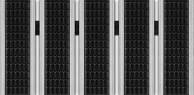 |  | Unimat 12 R | doormat with rubber insert, for interior and exterior use | 13.1 | standard rubber - vinyl | € 268.03
UA1210 |  | 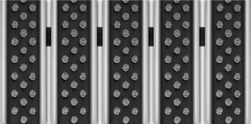 |  | Unimat 12 B | doormat with flat brush insert, for interior and exterior use | 12.1 | standard brush - PA | € 360.45
UA1211 |  | 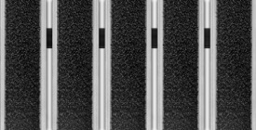 |  | Unimat 12 BL | doormat with flat brush insert, for interior and exterior use | 11 | low brush - PA | € 349.27
UA1212 |  |  |  | Unimat V 12 RB | doormat with rubber and brush insert, for interior and exterior use | 12.6 | standard brush - PA standard rubber - vinyl | € 314.24
UA1213 |  |  |  | Unimat V 12 RBL | wycieraczka aluminiowa z wkładem gumowym czyszczącym oraz szczotkowym - do użytku wewnątrz budynków i na zewnątrz budynków | 12.05 | niska szczotka - PA standardowa guma | € 308.65
UA1214 |  | 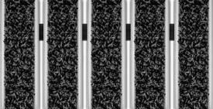 |  | Unimat 12 S | doormat scraper material, poliprophylene, for interior and exterior use | 11 | scraper material - PP | € 306.50
UA1215 |  |  |  | Unimat V 12 TS | doormat scraper material poliprophylene, and textile for interior and exterior use | 10.15 | scraper material - PP textile - PP | € 274.43
UA1216 |  | 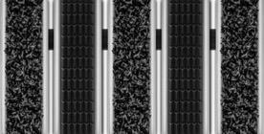 |  | Unimat 12 RS | doormat scraper material poliprophylene, and rubber for interior and exterior use | 12.05 | scraper material - PP standard rubber - vinyl | € 287.27
UA1217 |  |  |  | Unimat 12 B4 | doormat with 4-rows brush insert, for interior and exterior use | 12.1 | standard brush - PA | € 386.83
UA1218 | 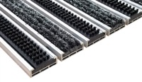 |  |  | Unimat V 12 TB4 | doormat with textile insert, only for interior use | 10.7 | standard brush - PA standarrd textile - PP | € 314.59
UA1219 | 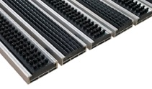 |  |  | Unimat V 12 RB4 | doormat with rubber and brush insert, for interior and exterior use | 12.075 | standard brush - PA standard rubber - vinyl | € 327.43

